NANO DEWATA CK (Alcohol)
DATE | INV NO. | DESCRIPTIONS | AMOUNT | BILLS | PRICE | DISCOUNT | TOTAL | IDR 1,800,000
3-Mar-2026 | INV/NANDAQ/26/03/0068 | SAN TELMO MALBEC | 3 | 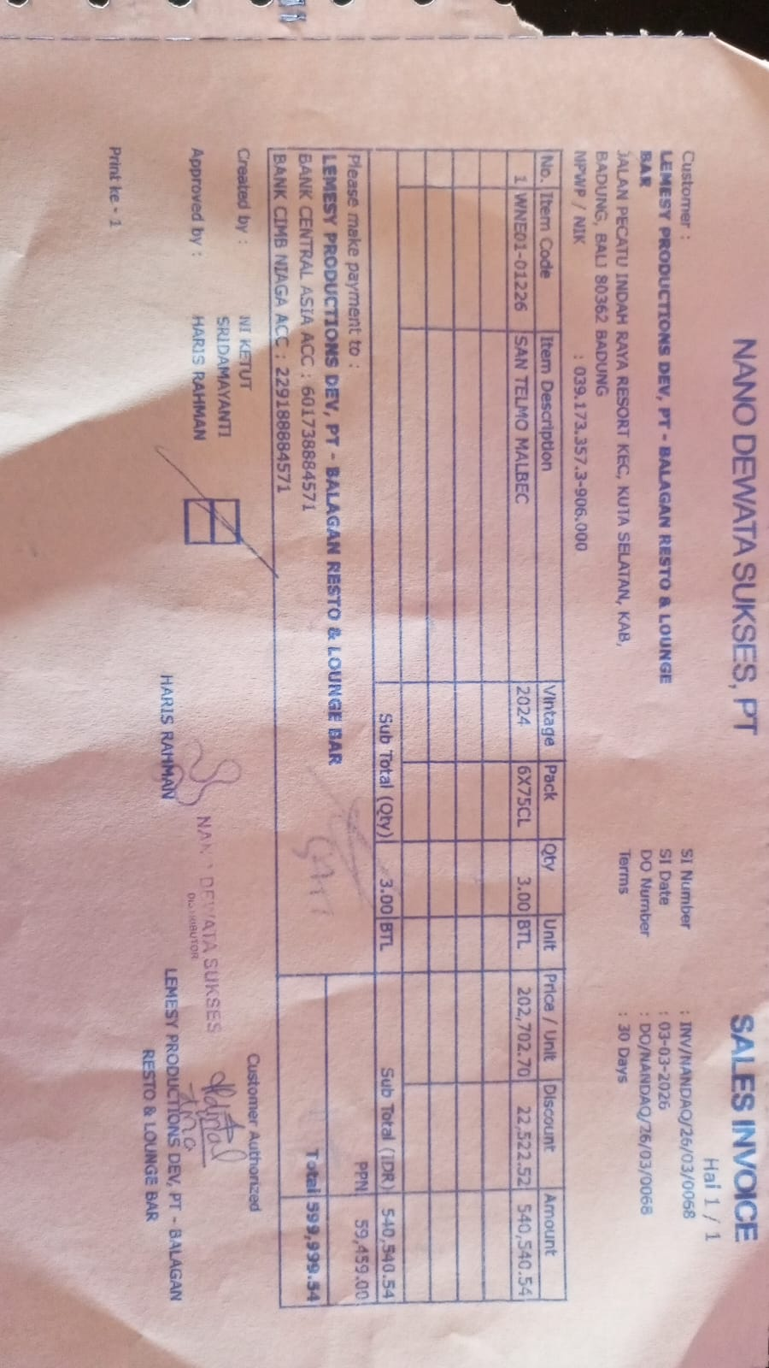 | Rp202,702.70 | 22,522.52 | 540,540.54
PPN |  |  |  |  |  |  | 59,459.46
TOTAL |  |  |  | IDR 600,000
23-Mar-2026 | INV/NANDAQ/26/03/0424 | SAN TELMO MALBEC | 3 | 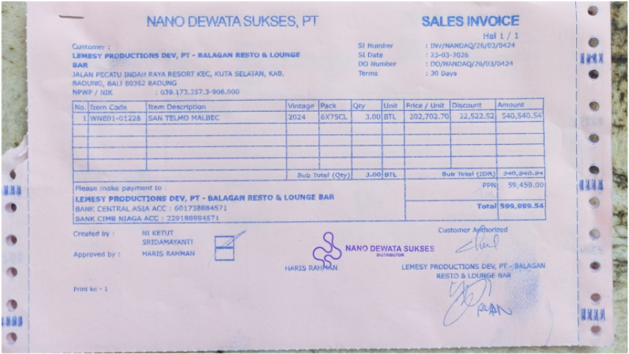 | Rp202,702.70 | 22,522.52 | 540,540.54
PPN |  |  |  |  |  |  | 59,459.46
TOTAL |  |  |  | Rp600,000
30-Mar-2026 | INV/NANDAQ/26/03/0603 | SAN TELMO MALBEC | 3 | 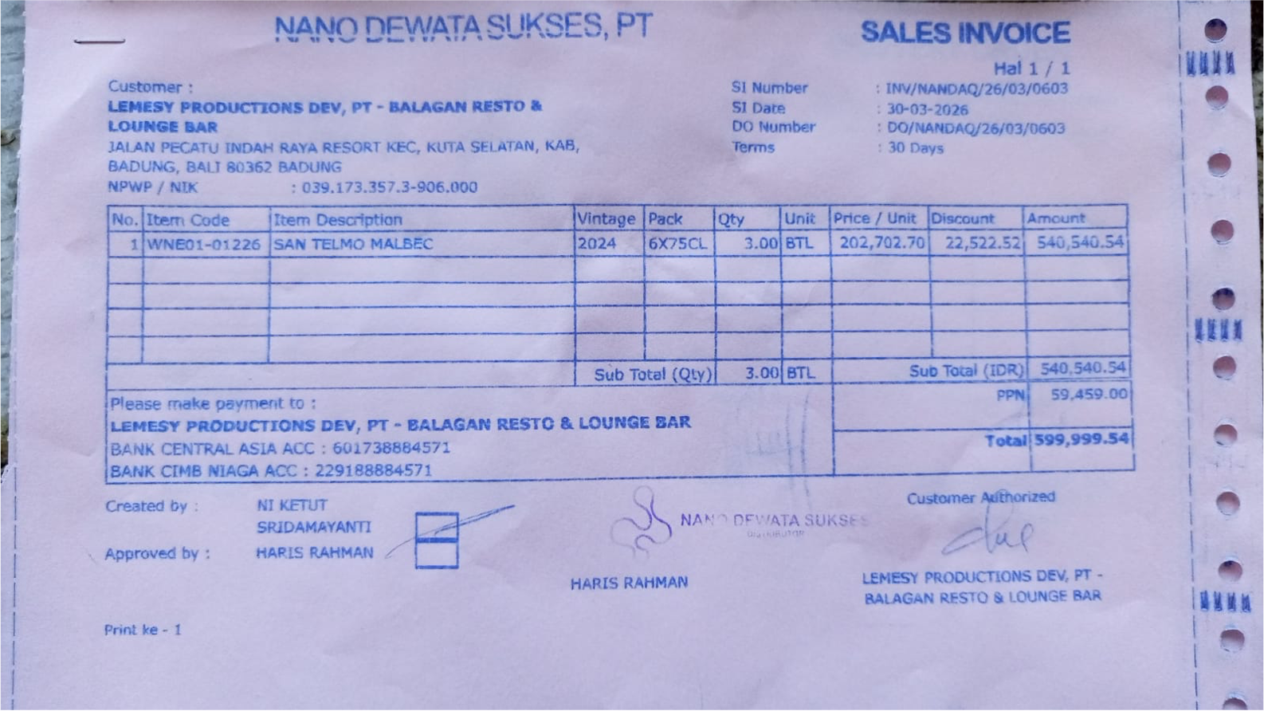 | Rp202,702.70 | 22,522.52 | 540,540.54
PPN |  |  |  |  |  |  | 59,459.46
TOTAL |  |  |  | Rp600,000

GRAND TOTAL |  |  |  | IDR 1,800,000

